Sheet1
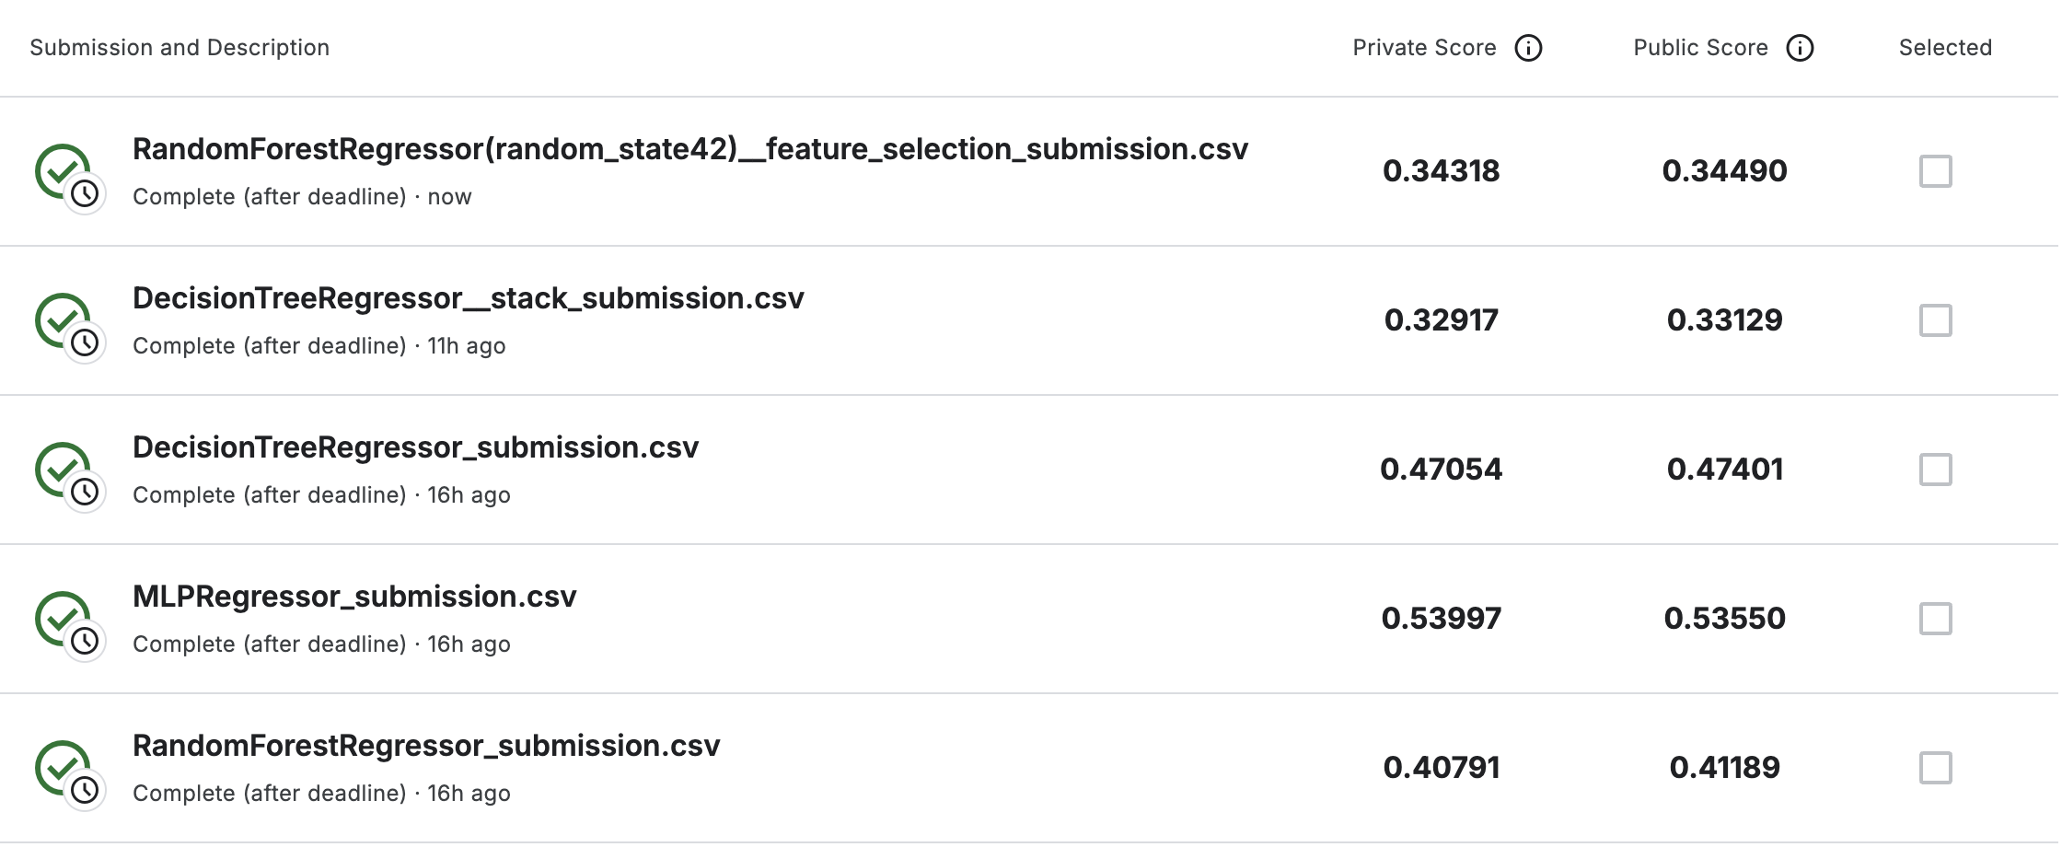
Model type | Models | Best Parameters | CV Accuracy | Kaggle score
Individual models | MLPRegressor | solver': 'sgd', 'learning_rate': 'constant', 'hidden_layer_sizes': (50,), 'alpha': 0.001, 'activation': 'tanh' | -0.006016 | 0.5399
 | DecisionTree Regressor | splitter': 'best', 'min_samples_split': 2, 'min_samples_leaf': 4, 'max_features': 'sqrt', 'max_depth': 5, 'criterion': 'squared_error | 0.218019 | 0.4705
 | Random Forest Regressor | n_estimators': 300, 'min_samples_split': 5, 'min_samples_leaf': 2, 'max_features': 'sqrt', 'max_depth': 10 | 0.5675 | 0.4079
Stacked Model | RandomForest Regressor | n_estimators': 400, 'min_samples_split': 10, 'min_samples_leaf': 1, 'max_features': 'sqrt', 'max_depth': 15 | 0.67679 | 0.3291
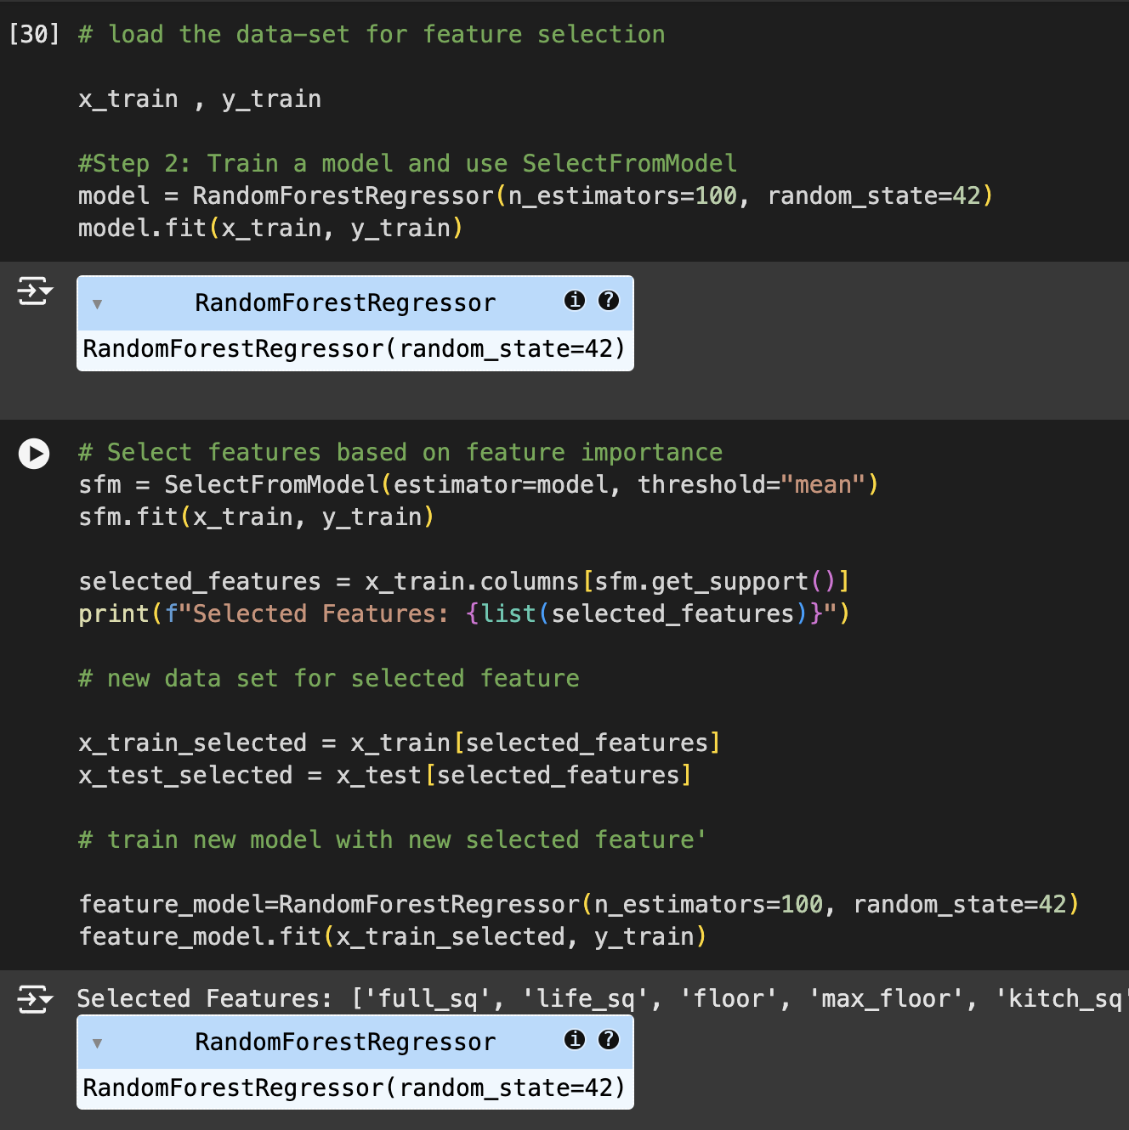
Feature Select_model | RandomForest Regressor | NA | NA | 0.3431

